Sheet1
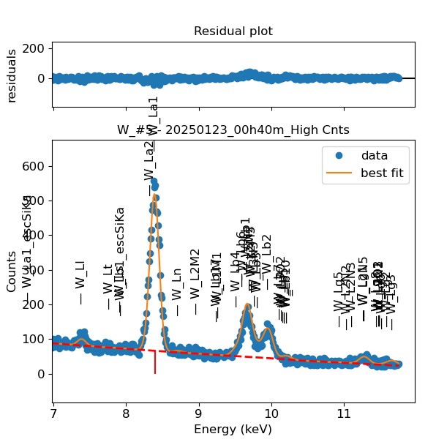
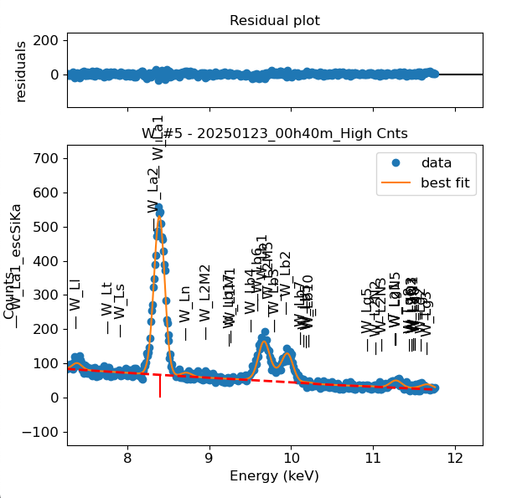
Weights calibrated measuring a pure Hf standard, bulk, polished |  |  |  |  |  |  |  |  |  |  | Weights unchanged
Area of all peaks is fitted |  |  |  |  |  |  |  |  |  |  | Weights changed
A constant shift is maintained across all peaks
Sigma is fixed for all peaks

W |  | Meas 1 | Meas 2 | Meas 3 | Meas 4 | Meas 5 | Meas 6 | Meas 7 | Meas 8 | Meas 9 | Sp 11
La1 |  | 68.667 | 69.247 | 70.373 | 70.373 | 68.082 | 67.205 | 70.426 | 69.092 | 69.158 | 67.901
Ln |  | 2.574 | 2.709 | 1.292 | 1.292 | 2.31 | 1.374 | 1.308 | 2.71 | 1.094 | 1.309
Lb4 |  | 1.11 | 0.896 | 0.01 | 0.01 | 0.456 | 0.05 | 0.304 | 0.044 | 1.117 | 0.767
Lb1 |  | 15.602 | 17.917 | 15.585 | 15.585 | 19.408 | 17.216 | 17.418 | 17.568 | 18.231 | 13.484
Lb6 |  | 1.703 | 1.477 | 3.64 | 3.64 | 0.931 | 2.467 | 2.832 | 2.236 | 3.386 | 4.724
Lb1 + Lb6 |  | 17.305 | 19.394 | 19.225 | 19.225 | 20.339 | 19.683 | 20.25 | 19.804 | 21.617 | 18.208
L3N2 |  | 4.591 | 0.464 | 3.548 | 3.548 | 0 | 1.043 | 0.042 | 0.491 | 0.003 | 4.384
Lb3 |  | 1.781 | 0.586 | 0.314 | 0.314 | 0.699 | 1.875 | 3.142 | 3.002 | 2.852 | 0.262
L3N3 |  | 0.033 | 1.686 | 0 | 0 | 1.059 | 0 | 0.008 | 0.006 | 0.003 | 0.001
L3N2 + Lb3 + L3N3 |  | 6.405 | 2.736 | 3.862 | 3.862 | 1.758 | 2.918 | 3.192 | 3.499 | 2.858 | 4.647
Lb2 |  | 14.264 | 14.569 | 13.907 | 13.907 | 14.15 | 13.546 | 13.035 | 13.572 | 13.89 | 15.733
Lb7 |  | 0.005 | 0.287 | 0.089 | 0.089 | 0 | 0 | 0.68 | 0.003 | 0.677 | 0
L3O2 |  | 0 | 0.019 | 0.779 | 0.779 | 0.551 | 0.001 | 0.018 | 0 | 0 | 0
Lu |  | 0.882 | 0.043 | 0.004 | 0.004 | 0 | 0 | 0 | 0.44 | 0.001 | 0.171
Lb10 |  | 0.012 | 0 | 0 | 0 | 0 | 0.007 | 0 | 0.006 | 0.168 | 0.003
Lb5 |  | 0.273 | 0.103 | 0 | 0 | 0 | 0.001 | 0 | 0.002 | 0 | 0.001
Lb7 + L3O2 + Lu + Lb10 + Lb5 |  | 1.172 | 0.452 | 0.872 | 0.872 | 0.551 | 0.009 | 0.698 | 0.451 | 0.846 | 0.175

Line | Original w | Meas 1 | Meas 2 | Meas 3 | Meas 4 | Meas 5 | Meas 6 | Meas 7 | Meas 8 | Meas 9 | Meas 10 | Mean | Stdev | Er (%)
La1 | 1 | 1.0000 | 1.0000 | 1.0000 | 1.0000 | 1.0000 | 1.0000 | 1.0000 | 1.0000 | 1.0000 | 1.0000 | 1.0000
Ln | 0.01155 | 0.0375 | 0.0391 | 0.0184 | 0.0184 | 0.0339 | 0.0204 | 0.0186 | 0.0392 | 0.0158 | 0.0193 | 0.0261 | 0.0100 | 38.23
Lb4 | 0.05649 | 0.0162 | 0.0129 | 0.0001 | 0.0001 | 0.0067 | 0.0007 | 0.0043 | 0.0006 | 0.0162 | 0.0113 | 0.0069 | 0.0067 | 96.58
Lb1 | 0.3679 | 0.2272 | 0.2587 | 0.2215 | 0.2215 | 0.2851 | 0.2562 | 0.2473 | 0.2543 | 0.2636 | 0.1986 | 0.2434 | 0.0256 | 10.53
Lb6 | 0.014 | 0.0248 | 0.0213 | 0.0517 | 0.0517 | 0.0137 | 0.0367 | 0.0402 | 0.0324 | 0.0490 | 0.0696 | 0.0391 | 0.0169 | 43.16
Lb1 + Lb6 | 0.3819 | 0.2520 | 0.2801 | 0.2732 | 0.2732 | 0.2987 | 0.2929 | 0.2875 | 0.2866 | 0.3126 | 0.2682 | 0.2825 | 0.0171 | 6.05
L3N2 | 0.0001 | 0.0669 | 0.0067 | 0.0504 | 0.0504 | 0.0000 | 0.0155 | 0.0006 | 0.0071 | 0.0000 | 0.0646 | 0.0262 | 0.0283 | 107.73
Lb3 | 0.07077 | 0.0259 | 0.0085 | 0.0045 | 0.0045 | 0.0103 | 0.0279 | 0.0446 | 0.0434 | 0.0412 | 0.0039 | 0.0215 | 0.0172 | 80.01
L3N3 | 0.0001 | 0.0005 | 0.0243 | 0.0000 | 0.0000 | 0.0156 | 0.0000 | 0.0001 | 0.0001 | 0.0000 | 0.0000 | 0.0041 | 0.0086 | 212.27
L3N2 + Lb3 + L3N3 | 0.07097 | 0.0933 | 0.0395 | 0.0549 | 0.0549 | 0.0258 | 0.0434 | 0.0453 | 0.0506 | 0.0413 | 0.0684 | 0.0518 | 0.0185 | 35.66
Lb2 | 0.21385 | 0.2077 | 0.2104 | 0.1976 | 0.1976 | 0.2078 | 0.2016 | 0.1851 | 0.1964 | 0.2008 | 0.2317 | 0.2037 | 0.0122 | 6.01
Lb7 | 0.0004 | 0.0001 | 0.0041 | 0.0013 | 0.0013 | 0.0000 | 0.0000 | 0.0097 | 0.0000 | 0.0098 | 0.0000 | 0.0026 | 0.0040 | 150.67
L3O2 | 0.0001 | 0.0000 | 0.0003 | 0.0111 | 0.0111 | 0.0081 | 0.0000 | 0.0003 | 0.0000 | 0.0000 | 0.0000 | 0.0031 | 0.0049 | 159.17
Lu | 0.0006 | 0.0128 | 0.0006 | 0.0001 | 0.0001 | 0.0000 | 0.0000 | 0.0000 | 0.0064 | 0.0000 | 0.0025 | 0.0022 | 0.0042 | 188.57
Lb10 | 0.01436 | 0.0002 | 0.0000 | 0.0000 | 0.0000 | 0.0000 | 0.0001 | 0.0000 | 0.0001 | 0.0024 | 0.0000 | 0.0003 | 0.0008 | 266.33
Lb5 | 0.0132 | 0.0040 | 0.0015 | 0.0000 | 0.0000 | 0.0000 | 0.0000 | 0.0000 | 0.0000 | 0.0000 | 0.0000 | 0.0006 | 0.0013 | 233.58
Lb7 + L3O2 + Lu + Lb10 + Lb5 | 0.02866 | 0.0171 | 0.0065 | 0.0124 | 0.0124 | 0.0081 | 0.0001 | 0.0099 | 0.0065 | 0.0122 | 0.0026 | 0.0088 | 0.0051 | 57.77

Fits whose peak areas vary, but whose sum is almost cosntant:
So we use the original ratios to diustribute the sum among the 2 peaks, giving:

Lb1 + Lb6 | Lb1 | Lb6 | Sum
Original ratio | 0.9633 | 0.0367
Resulting weights: | 0.2721 | 0.0104 | 0.2825

L3N2 + Lb3 + L3N3 | L3N2 | Lb3 | L3N3 | Sum
Original ratio | 0.0014 | 0.9972 | 0.0014
Resulting weights: | 0.00007 | 0.05161 | 0.00007 | 0.0518

Lb7 + L3O2 + Lu + Lb10 + Lb5 | Lb7 | L3O2 | Lu | Lb10 | Lb5 | Sum
Original ratio | 0.0140 | 0.0035 | 0.0209 | 0.5010 | 0.4606
Resulting weights: | 0.00012 | 0.00003 | 0.00018 | 0.00440 | 0.00405 | 0.0088

 |  | Without fixing the peaks above: |  |  |  |  |  |  |  |  | Fixing the peaks:

